Sheet1
 | Project Name | ACME demo application bug report

 | DATE | 2024-10-04
 | Tested BY | Vasanthakumar G

 | Founter | Vasanthakumar G

 | Plat form | Browser |  | who detected | How detected
 | Windows 11 | Chorme,Microsoft edge |  | QA | Testing

BUG ID | Discription | Steps | Severity | Status | Priority | Comments | images/ proof
Bug 001 | verify the user recive an error message enter a invalid inputs | 1.go to the website page https://demo.applitools.com/ Enter the invalid user name 2.enter the invalid password 3.click on sign button | High | inprogress | P1 | invalid inputs | 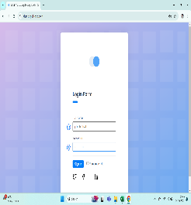

Bug 002 | verify the login via "Face book " sympol | 1.go to the website page https://demo.applitools.com/ 2..verify the login via "Face book " sympol | Medium | open | P2

Bug 003 | verify login page sign up to "twitter" logo | 1.go to the website page https://demo.applitools.com/2..verify the login via " Twitter " sympol | Medium | open | P2

Bug 004 | verify login page sign up to "LINKED IN" logo | 1.go to the website page https://demo.applitools.com/ 2..verify the login via "Linked IN " sympol | Medium | open | P2

Bug 005 | verify sign in button is disabled when both button are emty | 1.go to the website page https://demo.applitools.com/ check click to sign in button 2.click on derictly sign button | High | inprogress | P1 | ign in button is disabled | 

Bug 006 | verify sign with special charactors user name field | 1.go to the website page https://demo.applitools.com/2 .check username field take special charactors 3. click to sign up button | LOW | Not Resolved | P3

Bug 007 | verify sign with special charactors password field | 1.go to the website page https://demo.applitools.com/ 2.check password field take special charactors 3. click to sign up button | LOW | Not Resolved | P3

Bug 008 | verify the navigation links working or not working on home page | 1.go to the website page https://demo.applitools.com/ 2.log in and navigate a home page 3.cheak on each navigation link | High | inprogress | P1 |  | 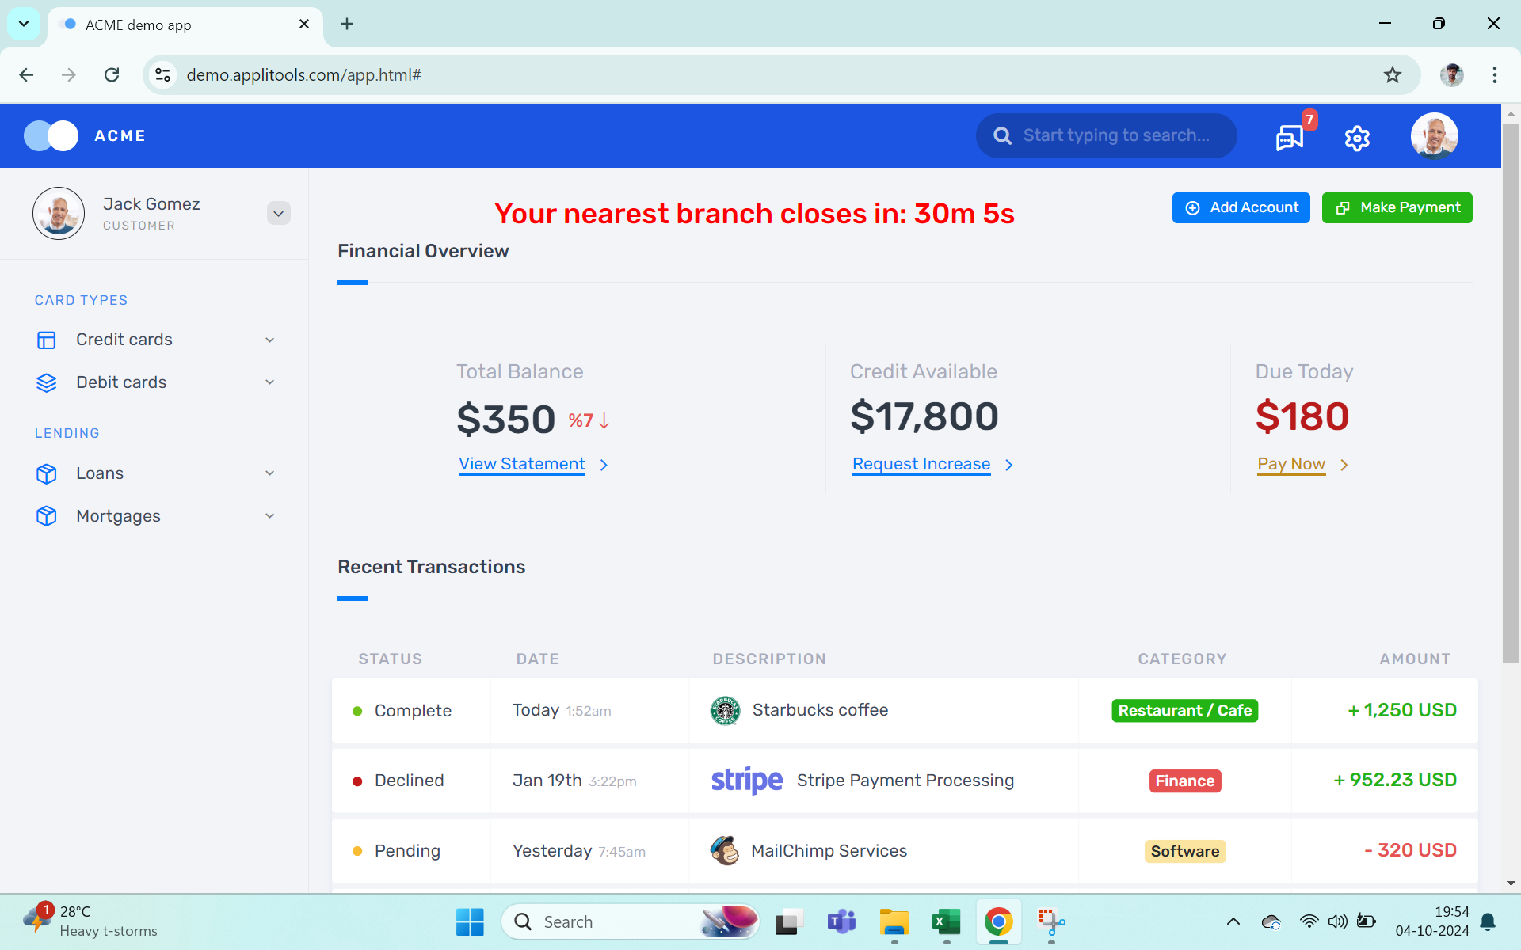

Bug 009 | verify the notification section | 1.go to the website page https://demo.applitools.com/ login and navigate to the home page 2. click notification icon and check all notification visible and readable | Medium | open | P2

Bug 010 | verify the search feature working proberly | 1.go to the website page https://demo.applitools.com/ login and navigate to the ho,e page 2.use the search bar for valid and invalid terms | Medium | open | P2

Bug 011 | verify the visble error messsage when login fails | 1.go to the website page https://demo.applitools.com/ fill the valid inputs 2.check whether sign in button | High | inprogress | P1

Bug 012 | verify the "forget password" link displaed beneath the password field | 1.go to the website page https://demo.applitools.com/ go to the login page 2.verify the "forget password "link | High | inprogress | P1 | forget password

Bug 013 | verify the without filling user name and password visible or dieasble sign in button | 1.go to the website page https://demo.applitools.com/.go to the login page 2.check sign in button | High | inprogress | P1 | password visible or dieasble

Bug 014 | verify that 5 failed login attemps ,the user temporarly locked out for 5 mins | 1.go to the website page https://demo.applitools.com/ 2 .go to login page and try multible times | High | inprogress | P1 | ,the user temporarly locked

Bug 015 | ensure the pay now button net next to the due today section works correctly | 1.go to the website page https://demo.applitools.com/2 .click the pay now button and due today section"$180" . Complte the payment | High | inprogress | P1 | Payment problem

Bug 016 | verify functionality of the "Add account" and "payment " buttons are working | 1.go to the website page https://demo.applitools.com/ 2. click "Add account" button 3.click make a payment button . Verifyb the payment process | High | inprogress | P1 | Payment problem

P

